SCRIPT
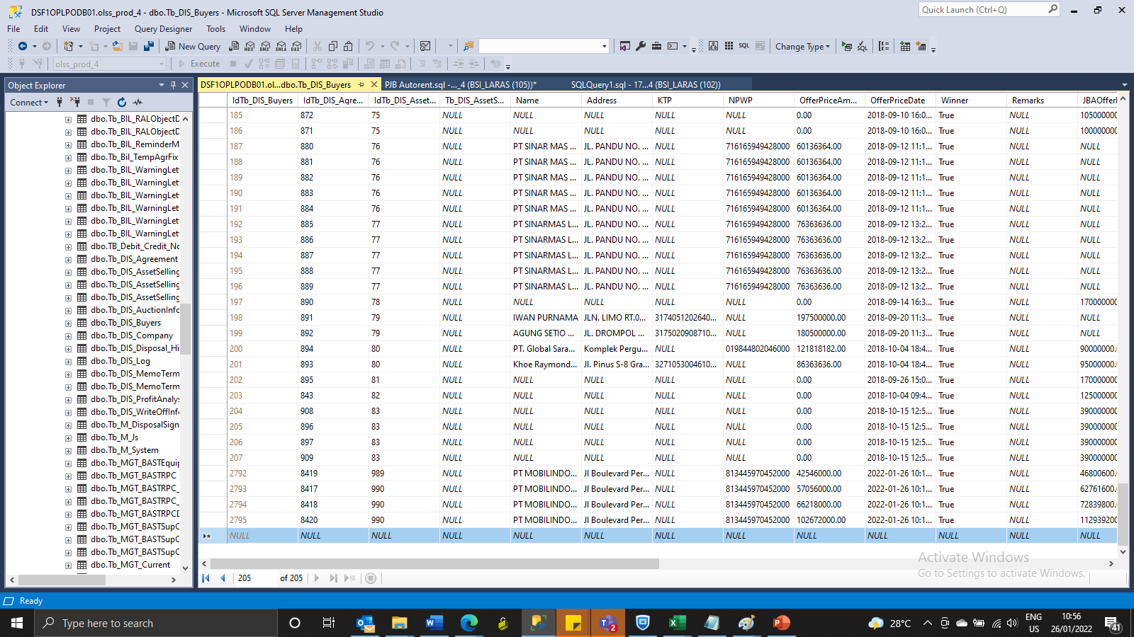
UPDATE Tb_DIS_Agreement SET AssetCode = '4120038166', EngineNumber = '4D56CJ27204', BookValue = '26999999.9631483', ProductPrice = '90000000' where IdTb_DIS_Agreement = '8419'

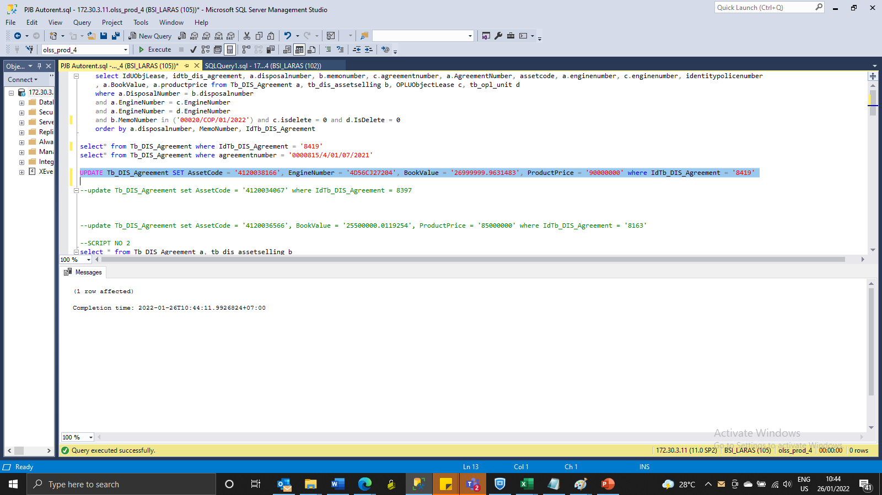

INSERT TB_DIS_BUYERS

SCREENSHOOT
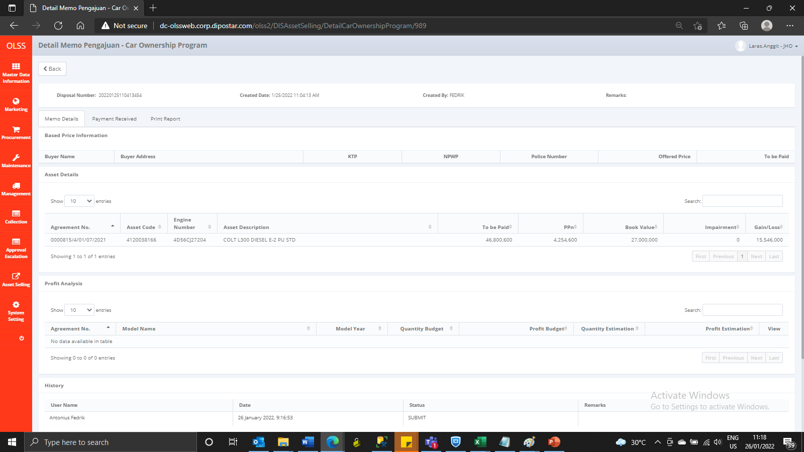
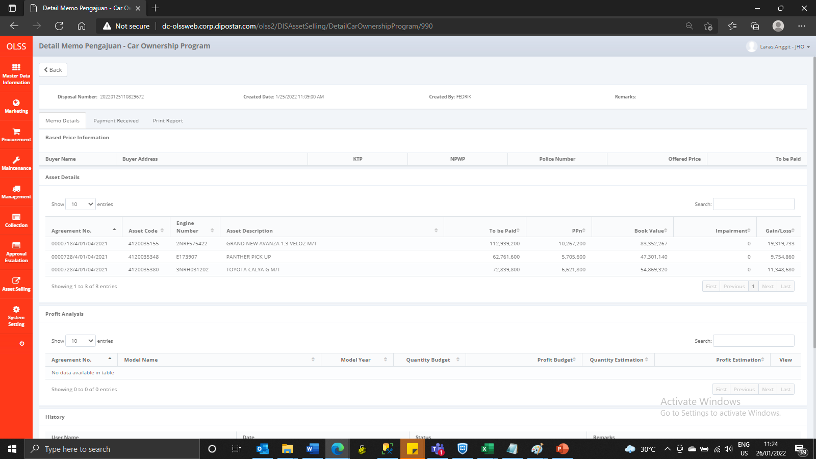
MEMO 00020/COP/01/2022 | MEMO 00021/COP/01/2022
Before | Before
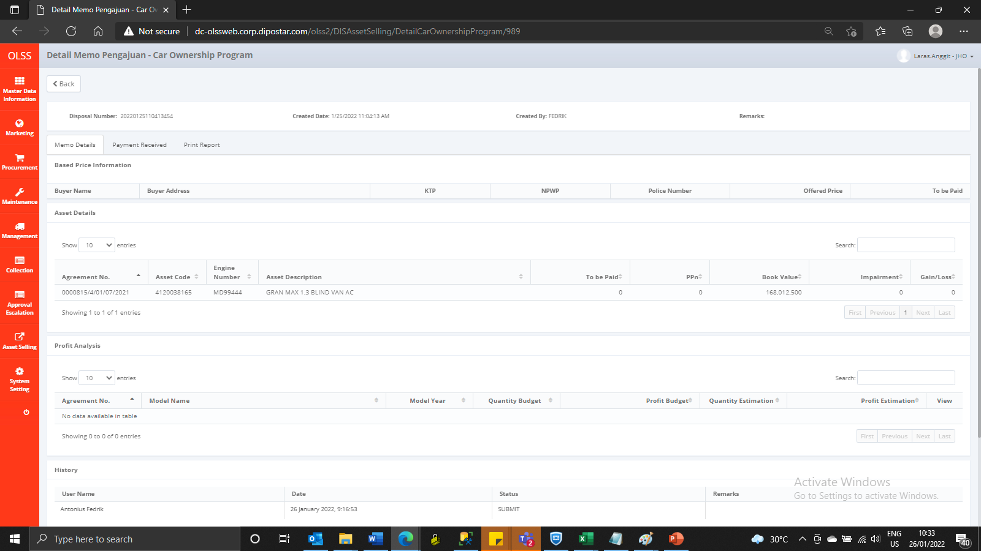
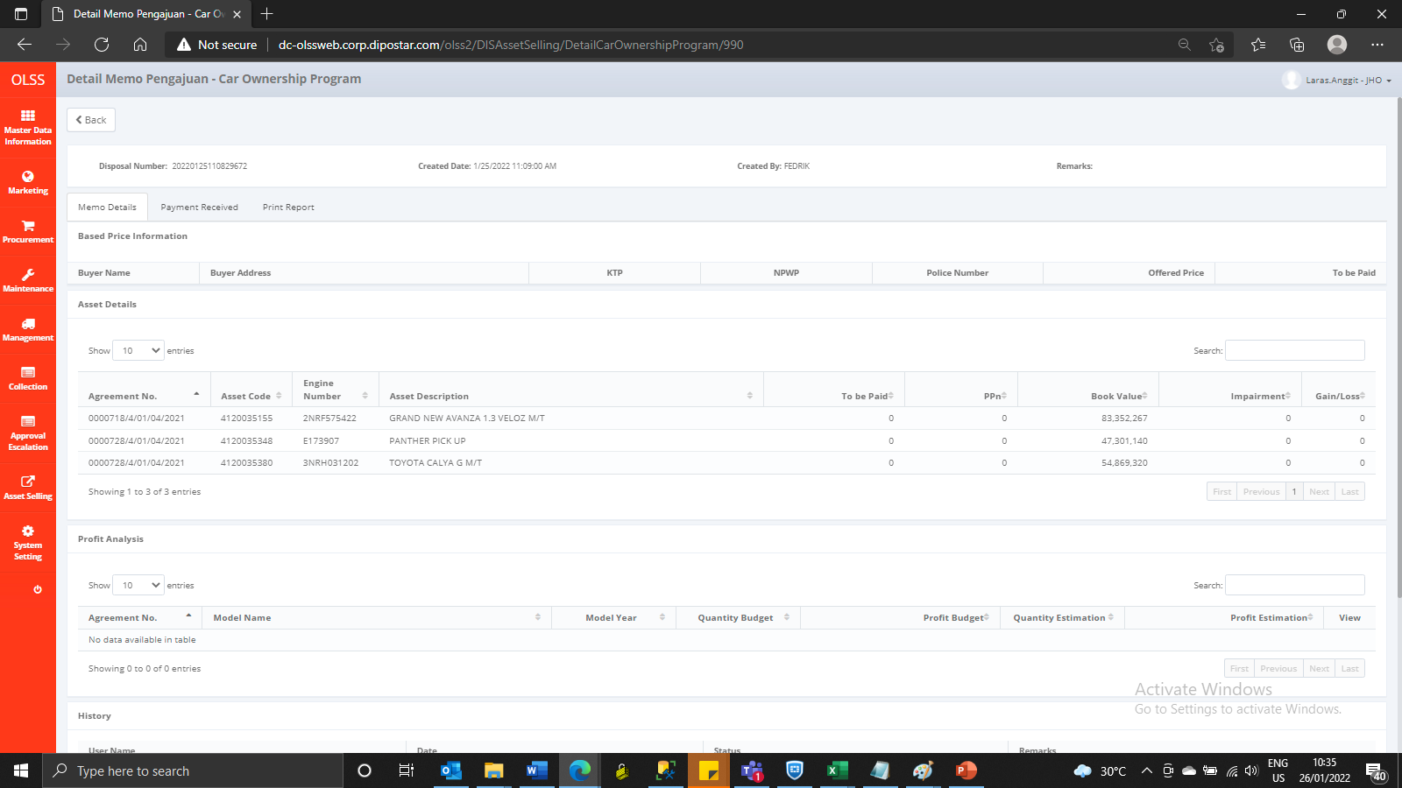

AFTER | AFTER

